Background_Info
Target substance: 1,3,5-tris(2,3-dibromopropyl)-1,3,5-triazinane-2,4,6-trione
CAS number: 52434-90-9
 | 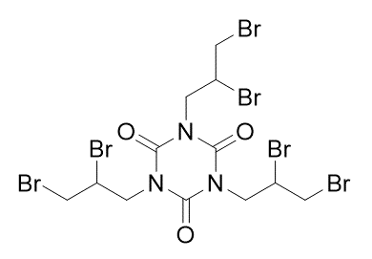 | The Ames test report (in Japanese) is available at Japan Existing Chemical Database (JECDB, Toxicity Japan MHLW). The Ames test result: Positive with/without metabolic activation [(TA100 +/- S9) and (TA1535 +/- S9)] The Ames test report (in Japanese): https://dra4.nihs.go.jp/mhlw_data/jsp/ResultPageENG.jsp?condition_item=cas&condition_keyword=52434-90-9&condition_type=Am https://dra4.nihs.go.jp/mhlw_data/home/pdf/PDF52434-90-9e.pdf
* This case study is developed by a team of experts in Japan, but not based on an official view of Japan or Food Safety Commission of Japan (FSCJ).

Assumption: We assume an example regulation, which is intended to screen/list up Ames equivocal/positive chemicals, by referring to the guidance of FSCJ for (Q)SAR, "Guidance for (Q)SAR to evaluate mutagenicity as health impact assessment of food". https://www.fsc.go.jp/senmon/sonota/index.data/QSAR_shisin.pdf Like ICH M7 guideline, two models (statistical-based and expert rule-based) are used to evaluate overall mutagenicity.
Case study: We assume to be an example assessor who evaluates (Q)SAR Ames mutagenicity predictions of a target substance submitted by model user under an example regulation. QMRF and QPRF are assumed to be provided by the model user.

Model information:
Software1: CASE Ultra version 1.8.0.5 (MultiCASE Inc., USA)
Model1: GT1_BMUT (Statistical-based model for bacterial mutagenicity by OECD 471 test guidance) version 1.8.0.1.11479.500
Remarks1: Statistical-based model

Software2: OASIS TIMES v.2.32.1 (LMC, Bulgaria)
Model2: In vitro Ames Mutagenicity with S9 metabolic activation v.19.19 OASIS TIMES v.2.32.1
Remarks2: Expert rule-based model

