Fig 12. ODA COVID sector
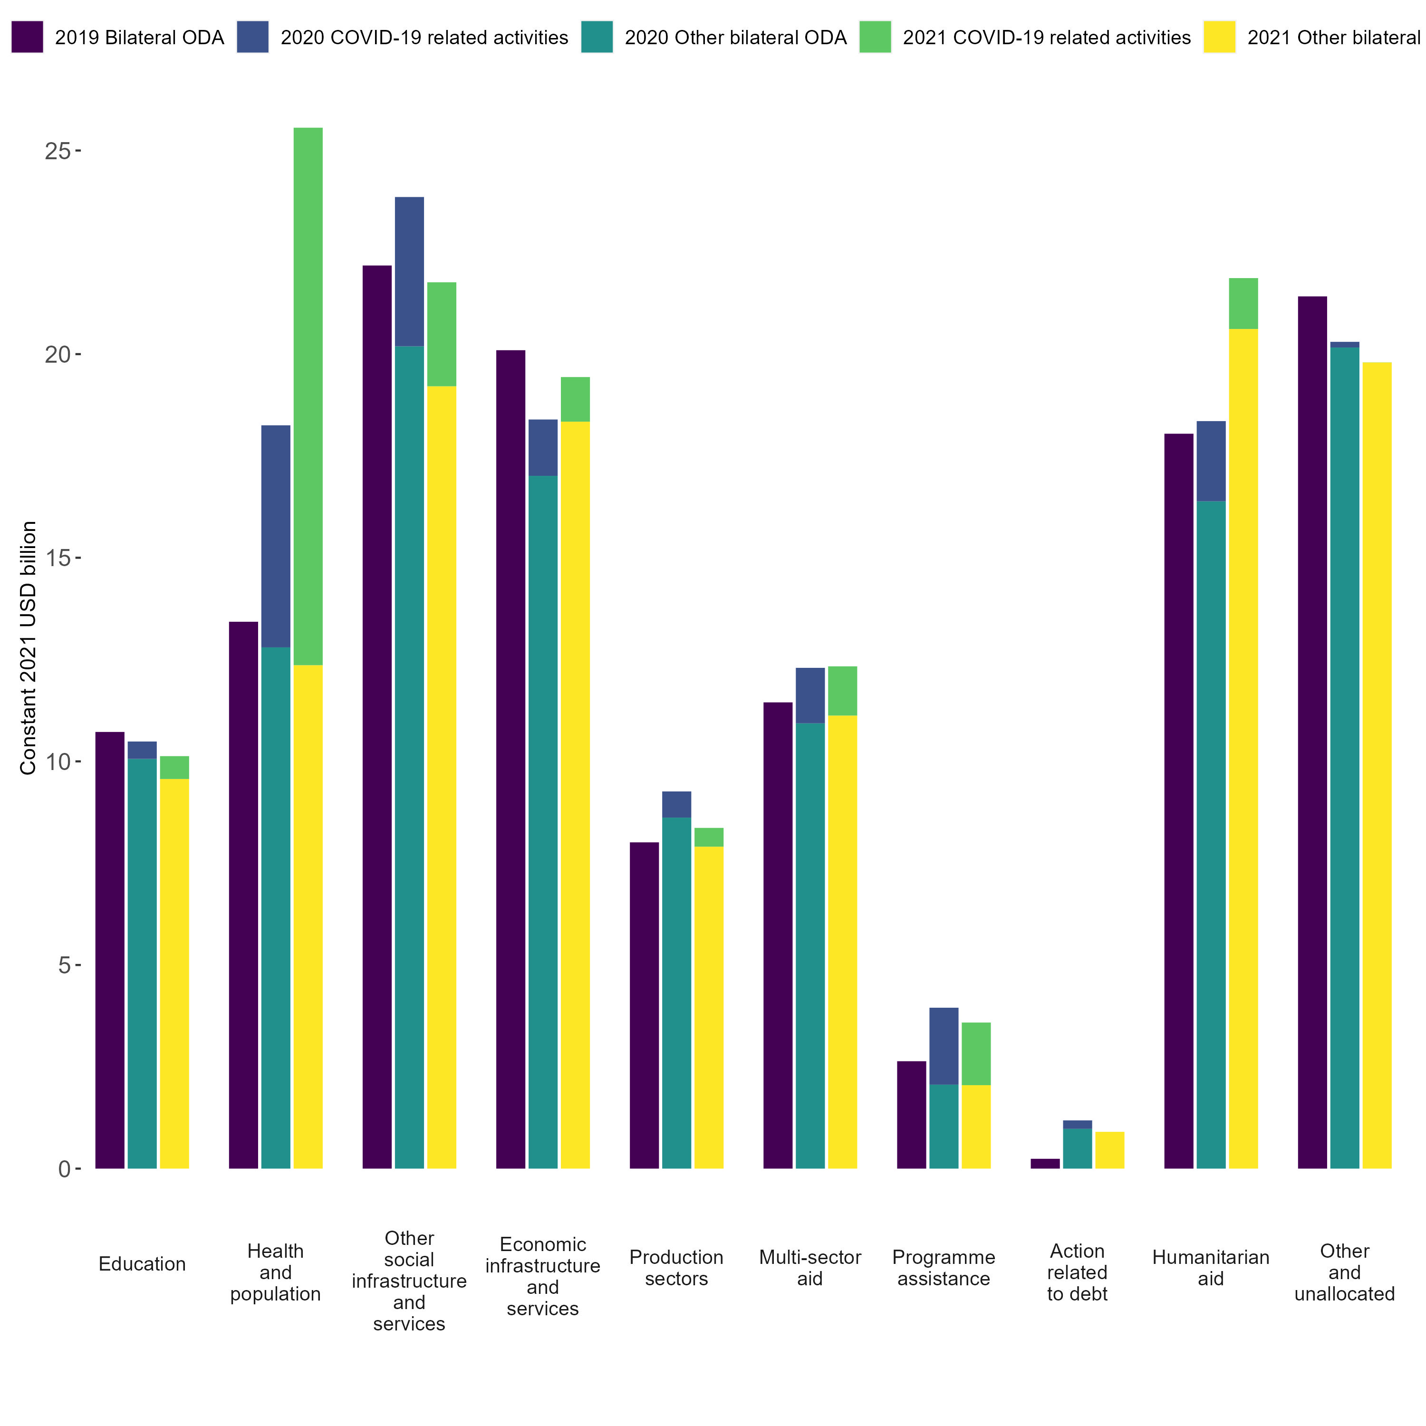
DAC member countries’ bilateral ODA by sector, 2019-2021
Source: OECD (2023), “Creditor Reporting System: aid activities”, https://doi.org/10.1787/data-00061-en.

 | 2019 Bilateral ODA | 2019 COVID-19 related activities | 2020 Other bilateral ODA | 2020 COVID-19 related activities | 2021 Other bilateral ODA | 2021 COVID-19 related activities
Education | 10722.52 | 0.00 | 10061.39 | 426.27 | 9567.08 | 561.38
Health and population | 13428.44 | 0.00 | 12799.15 | 5453.05 | 12361.73 | 13198.16
Other social infrastructure and services | 22176.25 | 0.00 | 20191.42 | 3666.71 | 19210.46 | 2553.81
Economic infrastructure and services | 20096.21 | 0.00 | 17011.66 | 1383.15 | 18341.71 | 1095.11
Production sectors | 8011.31 | 0.00 | 8619.00 | 642.51 | 7905.49 | 460.97
Multi-sector aid | 11448.64 | 0.00 | 10933.93 | 1362.74 | 11124.92 | 1208.46
Programme assistance | 2636.96 | 0.00 | 2061.52 | 1889.39 | 2048.95 | 1537.88
Action related to debt | 241.18 | 0.00 | 976.82 | 207.09 | 903.09 | 0.18
Humanitarian aid | 18045.57 | 0.00 | 16385.64 | 1969.75 | 20617.36 | 1249.65
Other and unallocated | 21417.81 | 0.00 | 20162.98 | 138.85 | 19794.99 | 3.30

